Master Slave Note
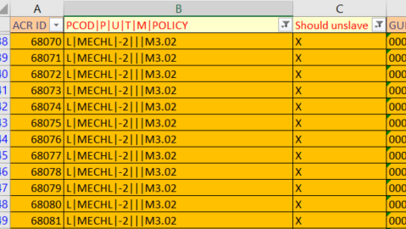
Er zijn ACR's met een lege GUID… Kan/Mag dit wel? | There are ACR's that have an empty GUID? Should this be possible?
In de column C = "Should unslave" moet 1 van dezelfde selectie Master blijven en de rest Slave | In the column C = "should unslave" per selection there should be 1 Master and the rest should be Slave
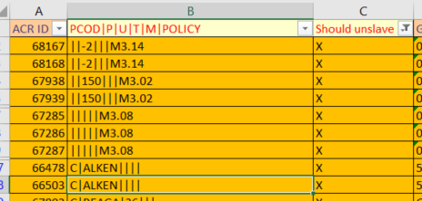

Voorbeeld: | Example:
Should unslave moet dus = X | Column C "Should unslave" should be filtered on "X"
En PCOD|P|U|T|M|POLICY hierop moet je filteren per gevonden entry | PCOD|P|U|T|M|POLICY should be filtered per found entry

Bijvoorbeeld op L|MECHL|-2|||M3.02 | So if you then filter on for example: L|MECHL|-2|||M3.02
Dit zijn 83 ACR's waarbij er 1 Master zou moeten zijn, de rest Slave | There are 83 ACR's where 1 should be master and the rest should be slave

